Sheet 1
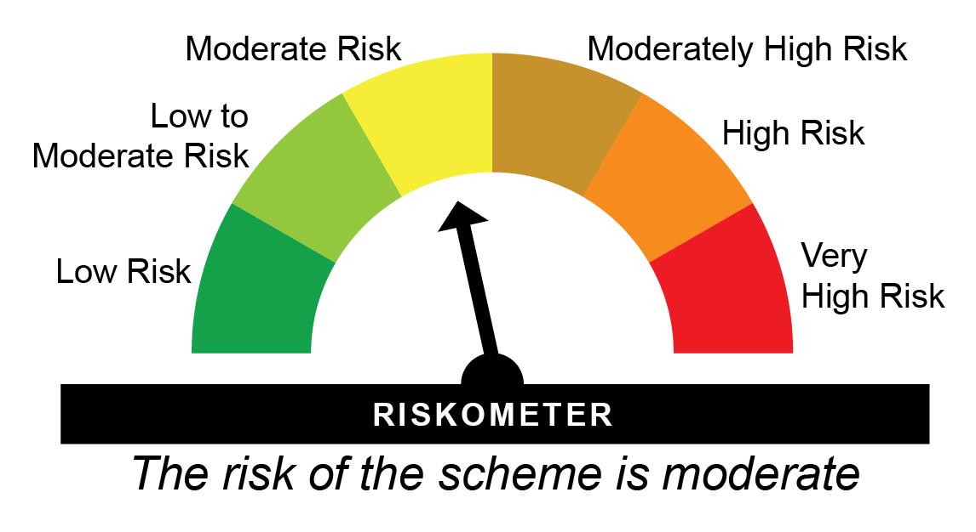
HDFCIN - HDFC INCOME FUND - Regular Plan - Growth |  |  |  |  |  | NAV as at May 30, 2025 |  | 58.8429 | Scheme Riskometer
Date | Period | NAV per Unit (₹) | Scheme Returns (%)^ | Benchmark Returns(%)# | Additional Benchmark Returns ##(%) | Value of Investment of ₹ 10000@
 |  |  |  |  |  | Scheme (₹) | Benchmark #(₹) | Additional Benchmark ##(₹)

May 31, 24 | Last 1 Year | 53.302 | 10.4 | 10.9 | 11.71 | 11,037 | 11,087 | 11,168
May 31, 22 | Last 3 Years | 46.733 | 7.98 | 8.69 | 9.43 | 12,591 | 12,840 | 13,106
May 29, 20 | Last 5 Years | 44.863 | 5.57 | 6.57 | 5.5 | 13,116 | 13,752 | 13,076
May 29, 15 | Last 10 Years | 31.990 | 6.28 | 7.95 | 6.89 | 18,394 | 21,517 | 19,484
Sep 11, 00 | Since Inception | 10.000 | 7.43 | 8.83 | NA | 58,843 | 81,124 | NA

HDFCIN - HDFC INCOME FUND - Direct Plan - Growth |  |  |  |  |  | NAV as at May 30, 2025 |  | 65.056 | Benchmark Riskometer
Date | Period | NAV per Unit (₹) | Scheme Returns (%)^ | Benchmark Returns(%)# | Additional Benchmark Returns ##(%) | Value of Investment of ₹ 10000@ |  |  | 
 |  |  |  |  |  | Scheme (₹) | Benchmark #(₹) | Additional Benchmark ##(₹)

May 31, 24 | Last 1 Year | 58.585 | 11.05 | 10.9 | 11.71 | 11,101 | 11,087 | 11,168
May 31, 22 | Last 3 Years | 50.298 | 8.95 | 8.69 | 9.43 | 12,934 | 12,840 | 13,106
May 29, 20 | Last 5 Years | 47.325 | 6.56 | 6.57 | 5.5 | 13,747 | 13,752 | 13,076
May 29, 15 | Last 10 Years | 32.618 | 7.14 | 7.95 | 6.89 | 19,945 | 21,517 | 19,484
Jan 01, 13 | Since Inception | 26.472 | 7.51 | 8.11 | 6.85 | 24,576 | 26,336 | 22,764
^Past performance may or may not be sustained in future and is not a guarantee of any future returns. Returns greater than 1 year period are compounded annualized (CAGR). # CRISIL Medium To Long Duration Debt A-III Index ## CRISIL 10 year Gilt Index
Different plans viz. Regular Plan and Direct Plan have a different expense structure. The expenses of the Direct Plan under the Scheme will be lower to the extent of the distribution expenses / commission charged in the Regular Plan
The scheme is managed by Shobhit Mehrotra (since September 11, 2007).
Since Inception Date = Date of First allotment in the Scheme / Plan.
Load is not taken into consideration for computation of performance.
NA: Not Available

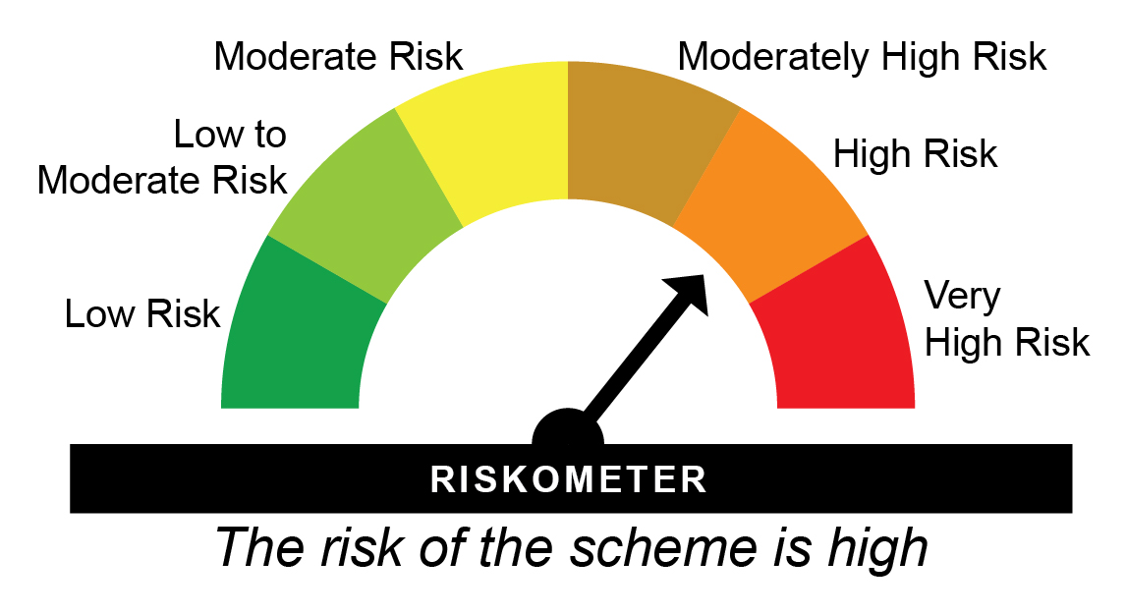
HDFCCORPDO - HDFC Credit Risk Debt Fund - Regular Plan - Growth |  |  |  |  |  | NAV as at May 30, 2025 |  | 24.0251 | Scheme Riskometer
Date | Period | NAV per Unit (₹) | Scheme Returns (%)^ | Benchmark Returns(%)# | Additional Benchmark Returns ##(%) | Value of Investment of ₹ 10000@
 |  |  |  |  |  | Scheme (₹) | Benchmark #(₹) | Additional Benchmark ##(₹)

May 31, 24 | Last 1 Year | 22.006 | 9.18 | 8.96 | 11.71 | 10,915 | 10,893 | 11,168
May 31, 22 | Last 3 Years | 19.294 | 7.58 | 8.66 | 9.43 | 12,452 | 12,830 | 13,106
May 29, 20 | Last 5 Years | 16.543 | 7.74 | 8.13 | 5.5 | 14,523 | 14,791 | 13,076
May 29, 15 | Last 10 Years | 11.387 | 7.74 | 8.37 | 6.89 | 21,100 | 22,367 | 19,484
Mar 25, 14 | Since Inception | 10.000 | 8.15 | 8.62 | 7.52 | 24,025 | 25,213 | 22,498

HDFCCORPDO - HDFC Credit Risk Debt Fund - Direct Plan - Growth |  |  |  |  |  | NAV as at May 30, 2025 |  | 25.9445 | Benchmark Riskometer
Date | Period | NAV per Unit (₹) | Scheme Returns (%)^ | Benchmark Returns(%)# | Additional Benchmark Returns ##(%) | Value of Investment of ₹ 10000@ |  |  | 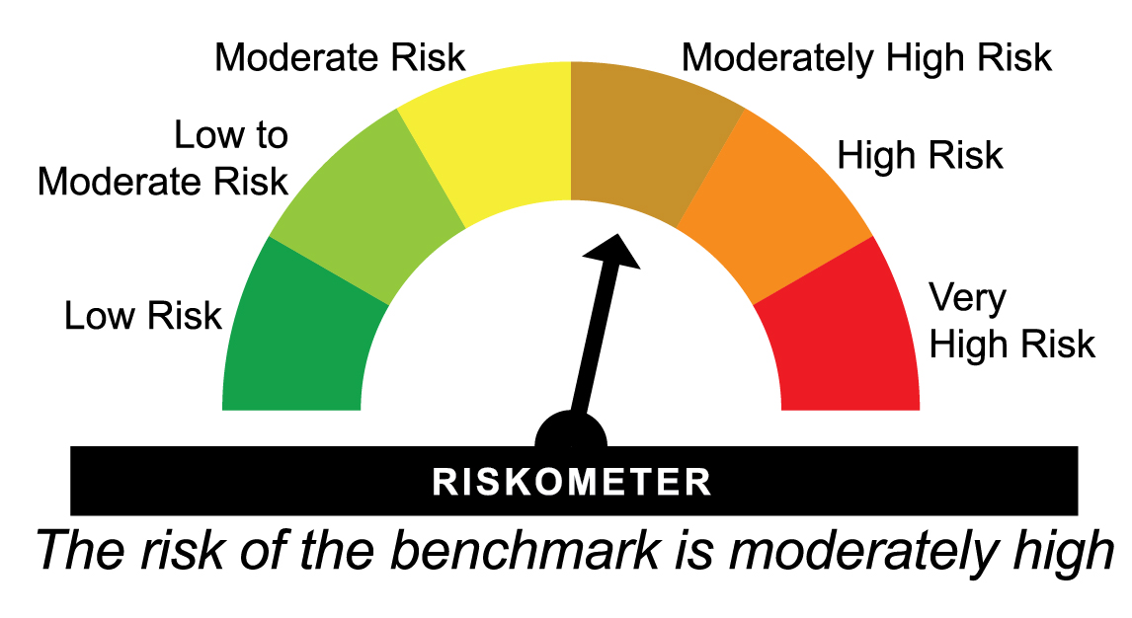
 |  |  |  |  |  | Scheme (₹) | Benchmark #(₹) | Additional Benchmark ##(₹)

May 31, 24 | Last 1 Year | 23.624 | 9.82 | 8.96 | 11.71 | 10,979 | 10,893 | 11,168
May 31, 22 | Last 3 Years | 20.459 | 8.24 | 8.66 | 9.43 | 12,681 | 12,830 | 13,106
May 29, 20 | Last 5 Years | 17.348 | 8.37 | 8.13 | 5.5 | 14,955 | 14,791 | 13,076
May 29, 15 | Last 10 Years | 11.483 | 8.48 | 8.37 | 6.89 | 22,595 | 22,367 | 19,484
Mar 25, 14 | Since Inception | 10.000 | 8.89 | 8.62 | 7.52 | 25,945 | 25,213 | 22,498
^Past performance may or may not be sustained in future and is not a guarantee of any future returns. Returns greater than 1 year period are compounded annualized (CAGR). # Nifty Credit Risk Bond Index B-II ## CRISIL 10 year Gilt Index
Different plans viz. Regular Plan and Direct Plan have a different expense structure. The expenses of the Direct Plan under the Scheme will be lower to the extent of the distribution expenses / commission charged in the Regular Plan
The scheme is managed by Shobhit Mehrotra (since March 25, 2014).
Since Inception Date = Date of First allotment in the Scheme / Plan.
Load is not taken into consideration for computation of performance.

HDFCLONGDF - HDFC Long Duration Debt Fund - Regular Plan - Growth |  |  |  |  |  | NAV as at May 30, 2025 |  | 12.4648 | Scheme Riskometer
Date | Period | NAV per Unit (₹) | Scheme Returns (%)^ | Benchmark Returns(%)# | Additional Benchmark Returns ##(%) | Value of Investment of ₹ 10000@
 |  |  |  |  |  | Scheme (₹) | Benchmark #(₹) | Additional Benchmark ##(₹)

May 31, 24 | Last 1 Year | 11.267 | 10.63 | 10.57 | 11.71 | 11,060 | 11,054 | 11,168
Jan 20, 23 | Since Inception | 10.000 | 9.79 | 9.7 | 9.94 | 12,465 | 12,441 | 12,505

HDFCLONGDF - HDFC Long Duration Debt Fund - Direct Plan - Growth |  |  |  |  |  | NAV as at May 30, 2025 |  | 12.5692 | Benchmark Riskometer
Date | Period | NAV per Unit (₹) | Scheme Returns (%)^ | Benchmark Returns(%)# | Additional Benchmark Returns ##(%) | Value of Investment of ₹ 10000@
 |  |  |  |  |  | Scheme (₹) | Benchmark #(₹) | Additional Benchmark ##(₹)

May 31, 24 | Last 1 Year | 11.322 | 11.02 | 10.57 | 11.71 | 11,099 | 11,054 | 11,168
Jan 20, 23 | Since Inception | 10.000 | 10.18 | 9.7 | 9.94 | 12,569 | 12,441 | 12,505
^Past performance may or may not be sustained in future and is not a guarantee of any future returns. Returns greater than 1 year period are compounded annualized (CAGR). # Nifty Long Duration Debt Index - A-III ## CRISIL 10 year Gilt Index
Different plans viz. Regular Plan and Direct Plan have a different expense structure. The expenses of the Direct Plan under the Scheme will be lower to the extent of the distribution expenses / commission charged in the Regular Plan
The scheme is managed by Shobhit Mehrotra (since January 20, 2023).
Since Inception Date = Date of First allotment in the Scheme / Plan.
Load is not taken into consideration for computation of performance.

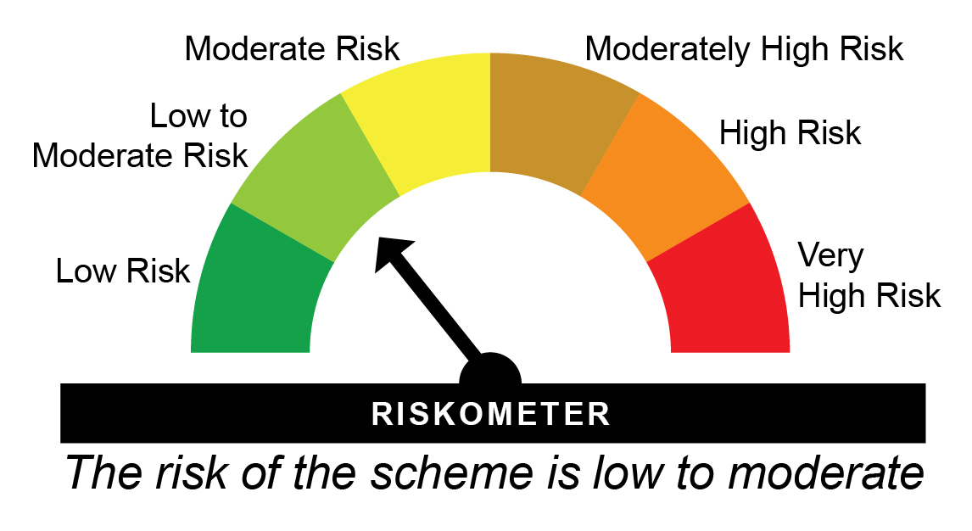
HDFLSP - HDFC Floating Rate Debt Fund - Regular Plan - Growth |  |  |  |  |  | NAV as at May 30, 2025 |  | 49.8957 | Scheme Riskometer
Date | Period | NAV per Unit (₹) | Scheme Returns (%)^ | Benchmark Returns(%)# | Additional Benchmark Returns ##(%) | Value of Investment of ₹ 10000@
 |  |  |  |  |  | Scheme (₹) | Benchmark #(₹) | Additional Benchmark ##(₹)

May 31, 24 | Last 1 Year | 45.669 | 9.25 | 9.16 | 11.71 | 10,923 | 10,913 | 11,168
May 31, 22 | Last 3 Years | 39.626 | 7.98 | 7.65 | 9.43 | 12,592 | 12,476 | 13,106
May 29, 20 | Last 5 Years | 35.735 | 6.9 | 6.3 | 5.5 | 13,963 | 13,578 | 13,076
May 29, 15 | Last 10 Years | 24.287 | 7.46 | 7.34 | 6.89 | 20,544 | 20,323 | 19,484
Oct 23, 07 | Since Inception | 13.182 | 7.85 | 7.66 | 6.73 | 37,851 | 36,701 | 31,471

HDFLSP - HDFC Floating Rate Debt Fund - Direct Plan - Growth |  |  |  |  |  | NAV as at May 30, 2025 |  | 50.8872 | Benchmark Riskometer
Date | Period | NAV per Unit (₹) | Scheme Returns (%)^ | Benchmark Returns(%)# | Additional Benchmark Returns ##(%) | Value of Investment of ₹ 10000@ |  |  | 
 |  |  |  |  |  | Scheme (₹) | Benchmark #(₹) | Additional Benchmark ##(₹)

May 31, 24 | Last 1 Year | 46.469 | 9.51 | 9.16 | 11.71 | 10,948 | 10,913 | 11,168
May 31, 22 | Last 3 Years | 40.138 | 8.23 | 7.65 | 9.43 | 12,678 | 12,476 | 13,106
May 29, 20 | Last 5 Years | 36.018 | 7.15 | 6.3 | 5.5 | 14,128 | 13,578 | 13,076
May 29, 15 | Last 10 Years | 24.318 | 7.65 | 7.34 | 6.89 | 20,926 | 20,323 | 19,484
Jan 01, 13 | Since Inception | 19.630 | 7.97 | 7.72 | 6.85 | 25,923 | 25,192 | 22,764
^Past performance may or may not be sustained in future and is not a guarantee of any future returns. Returns greater than 1 year period are compounded annualized (CAGR). # CRISIL Short Duration Debt A-II Index ## CRISIL 10 year Gilt Index
Since inception returns are calculated on ` 13.1821 ( allotment price)
Different plans viz. Regular Plan and Direct Plan have a different expense structure. The expenses of the Direct Plan under the Scheme will be lower to the extent of the distribution expenses / commission charged in the Regular Plan
The scheme is managed by Shobhit Mehrotra (since October 23, 2007)
Since Inception Date = Date of First allotment in the Scheme / Plan.
Load is not taken into consideration for computation of performance.


HIFSTP - HDFC Medium Term Debt Fund - Regular Plan - Growth |  |  |  |  |  | NAV as at May 30, 2025 |  | 56.4557 | Scheme Riskometer
Date | Period | NAV per Unit (₹) | Scheme Returns (%)^ | Benchmark Returns(%)# | Additional Benchmark Returns ##(%) | Value of Investment of ₹ 10000@
 |  |  |  |  |  | Scheme (₹) | Benchmark #(₹) | Additional Benchmark ##(₹)

May 31, 24 | Last 1 Year | 51.482 | 9.66 | 10.57 | 11.71 | 10,963 | 11,054 | 11,168
May 31, 22 | Last 3 Years | 45.102 | 7.77 | 8.03 | 9.43 | 12,517 | 12,607 | 13,106
May 29, 20 | Last 5 Years | 40.203 | 7.02 | 6.65 | 5.5 | 14,043 | 13,800 | 13,076
May 29, 15 | Last 10 Years | 27.846 | 7.32 | 7.64 | 6.89 | 20,275 | 20,904 | 19,484
Feb 06, 02 | Since Inception | 10.000 | 7.7 | 7.86 | 6.68 | 56,456 | 58,426 | 45,224

HIFSTP - HDFC Medium Term Debt Fund - Direct Plan - Growth |  |  |  |  |  | NAV as at May 30, 2025 |  | 61.2316 | Benchmark Riskometer
Date | Period | NAV per Unit (₹) | Scheme Returns (%)^ | Benchmark Returns(%)# | Additional Benchmark Returns ##(%) | Value of Investment of ₹ 10000@
 |  |  |  |  |  | Scheme (₹) | Benchmark #(₹) | Additional Benchmark ##(₹)

May 31, 24 | Last 1 Year | 55.470 | 10.39 | 10.57 | 11.71 | 11,036 | 11,054 | 11,168
May 31, 22 | Last 3 Years | 47.919 | 8.52 | 8.03 | 9.43 | 12,778 | 12,607 | 13,106
May 29, 20 | Last 5 Years | 42.059 | 7.79 | 6.65 | 5.5 | 14,559 | 13,800 | 13,076
May 29, 15 | Last 10 Years | 28.157 | 8.07 | 7.64 | 6.89 | 21,746 | 20,904 | 19,484
Jan 01, 13 | Since Inception | 22.679 | 8.33 | 7.94 | 6.85 | 27,000 | 25,829 | 22,764
^Past performance may or may not be sustained in future and is not a guarantee of any future returns. Returns greater than 1 year period are compounded annualized (CAGR). # Nifty Medium Duration Debt Index A-III ## CRISIL 10 year Gilt Index
Different plans viz. Regular Plan and Direct Plan have a different expense structure. The expenses of the Direct Plan under the Scheme will be lower to the extent of the distribution expenses / commission charged in the Regular Plan
The scheme is managed by Bhavyesh Divecha (since March 01, 2025) & Shobhit Mehrotra (since September 1, 2007).
Since Inception Date = Date of First allotment in the Scheme / Plan.
Load is not taken into consideration for computation of performance.

HDFCUSTF - HDFC Ultra Short Term Fund - Regular Plan - Growth |  |  |  |  |  | NAV as at May 30, 2025 |  | 15.0763 | Scheme Riskometer
Date | Period | NAV per Unit (₹) | Scheme Returns (%)^ | Benchmark Returns(%)# | Additional Benchmark Returns ##(%) | Value of Investment of ₹ 10000@
 |  |  |  |  |  | Scheme (₹) | Benchmark #(₹) | Additional Benchmark ##(₹)

May 31, 24 | Last 1 Year | 14.016 | 7.56 | 7.64 | 7.99 | 10,754 | 10,762 | 10,796
May 31, 22 | Last 3 Years | 12.319 | 6.97 | 7.29 | 7.11 | 12,239 | 12,351 | 12,288
May 29, 20 | Last 5 Years | 11.383 | 5.78 | 5.96 | 5.52 | 13,245 | 13,364 | 13,086
Sep 25, 18 | Since Inception | 10.000 | 6.34 | 6.47 | 6.25 | 15,076 | 15,206 | 14,994

HDFCUSTF - HDFC Ultra Short Term Fund - Direct Plan - Growth |  |  |  |  |  | NAV as at May 30, 2025 |  | 15.3978 | Benchmark Riskometer
Date | Period | NAV per Unit (₹) | Scheme Returns (%)^ | Benchmark Returns(%)# | Additional Benchmark Returns ##(%) | Value of Investment of ₹ 10000@
 |  |  |  |  |  | Scheme (₹) | Benchmark #(₹) | Additional Benchmark ##(₹)

May 31, 24 | Last 1 Year | 14.268 | 7.92 | 7.64 | 7.99 | 10,789 | 10,762 | 10,796
May 31, 22 | Last 3 Years | 12.461 | 7.31 | 7.29 | 7.11 | 12,357 | 12,351 | 12,288
May 29, 20 | Last 5 Years | 11.442 | 6.11 | 5.96 | 5.52 | 13,457 | 13,364 | 13,086
Sep 25, 18 | Since Inception | 10.000 | 6.67 | 6.47 | 6.25 | 15,398 | 15,206 | 14,994
^Past performance may or may not be sustained in future and is not a guarantee of any future returns. Returns greater than 1 year period are compounded annualized (CAGR). # CRISIL Ultra Short Duration Debt A-I Index ## CRISIL 1 year T-Bill Index
Different plans viz. Regular Plan and Direct Plan have a different expense structure. The expenses of the Direct Plan under the Scheme will be lower to the extent of the distribution expenses / commission charged in the Regular Plan.
The scheme is managed by Anil Bamboli (since September 25, 2018) & Praveen Jain (since August 31, 2024).
Since Inception Date = Date of First allotment in the Scheme / Plan.
Load is not taken into consideration for computation of performance.

HDFCHI - HDFC Dynamic Debt Fund - Regular Plan - Growth |  |  |  |  |  | NAV as at May 30, 2025 |  | 90.6053 | Scheme Riskometer
Date | Period | NAV per Unit (₹) | Scheme Returns (%)^ | Benchmark Returns(%)# | Additional Benchmark Returns ##(%) | Value of Investment of ₹ 10000@
 |  |  |  |  |  | Scheme (₹) | Benchmark #(₹) | Additional Benchmark ##(₹)

May 31, 24 | Last 1 Year | 82.438 | 9.91 | 10.29 | 11.71 | 10,988 | 11,026 | 11,168
May 31, 22 | Last 3 Years | 72.317 | 7.8 | 8.43 | 9.43 | 12,529 | 12,747 | 13,106
May 29, 20 | Last 5 Years | 64.847 | 6.91 | 6.52 | 5.5 | 13,972 | 13,720 | 13,076
May 29, 15 | Last 10 Years | 48.151 | 6.52 | 7.63 | 6.89 | 18,817 | 20,872 | 19,484
Apr 28, 97 | Since Inception | 10.000 | 8.16 | NA | NA | 90,605 | NA | NA

HDFCHI - HDFC Dynamic Debt Fund - Direct Plan - Growth |  |  |  |  |  | NAV as at May 30, 2025 |  | 99.9398 | Benchmark Riskometer
Date | Period | NAV per Unit (₹) | Scheme Returns (%)^ | Benchmark Returns(%)# | Additional Benchmark Returns ##(%) | Value of Investment of ₹ 10000@
 |  |  |  |  |  | Scheme (₹) | Benchmark #(₹) | Additional Benchmark ##(₹)

May 31, 24 | Last 1 Year | 90.224 | 10.77 | 10.29 | 11.71 | 11,074 | 11,026 | 11,168
May 31, 22 | Last 3 Years | 77.600 | 8.8 | 8.43 | 9.43 | 12,879 | 12,747 | 13,106
May 29, 20 | Last 5 Years | 68.523 | 7.83 | 6.52 | 5.5 | 14,585 | 13,720 | 13,076
May 29, 15 | Last 10 Years | 49.109 | 7.36 | 7.63 | 6.89 | 20,351 | 20,872 | 19,484
Jan 01, 13 | Since Inception | 38.472 | 7.99 | 7.83 | 6.85 | 25,978 | 25,507 | 22,764
^Past performance may or may not be sustained in future and is not a guarantee of any future returns. Returns greater than 1 year period are compounded annualized (CAGR). # Nifty Composite Debt Index A-III ## CRISIL 10 year Gilt Index
Different plans viz. Regular Plan and Direct Plan have a different expense structure. The expenses of the Direct Plan under the Scheme will be lower to the extent of the distribution expenses / commission charged in the Regular Plan.
The scheme is managed by Anil Bamboli (since February 16, 2004).
Since Inception Date = Date of First allotment in the Scheme / Plan.
Load is not taken into consideration for computation of performance.
NA: Not Available

HDFCSO - HDFC Short Term Debt Fund - Regular Plan - Growth |  |  |  |  |  | NAV as at May 30, 2025 |  | 32.0602 | Scheme Riskometer
Date | Period | NAV per Unit (₹) | Scheme Returns (%)^ | Benchmark Returns(%)# | Additional Benchmark Returns ##(%) | Value of Investment of ₹ 10000@
 |  |  |  |  |  | Scheme (₹) | Benchmark #(₹) | Additional Benchmark ##(₹)

May 31, 24 | Last 1 Year | 29.237 | 9.66 | 9.16 | 11.71 | 10,963 | 10,913 | 11,168
May 31, 22 | Last 3 Years | 25.547 | 7.86 | 7.65 | 9.43 | 12,549 | 12,476 | 13,106
May 29, 20 | Last 5 Years | 23.105 | 6.76 | 6.3 | 5.5 | 13,876 | 13,578 | 13,076
May 29, 15 | Last 10 Years | 15.441 | 7.57 | 7.34 | 6.89 | 20,763 | 20,323 | 19,484
Jun 25, 10 | Since Inception | 10.000 | 8.11 | 7.7 | 6.7 | 32,060 | 30,300 | 26,357

HDFCSO - HDFC Short Term Debt Fund - Direct Plan - Growth |  |  |  |  |  | NAV as at May 30, 2025 |  | 33.0782 | Benchmark Riskometer
Date | Period | NAV per Unit (₹) | Scheme Returns (%)^ | Benchmark Returns(%)# | Additional Benchmark Returns ##(%) | Value of Investment of ₹ 10000@
 |  |  |  |  |  | Scheme (₹) | Benchmark #(₹) | Additional Benchmark ##(₹)

May 31, 24 | Last 1 Year | 30.068 | 10.01 | 9.16 | 11.71 | 10,998 | 10,913 | 11,168
May 31, 22 | Last 3 Years | 26.087 | 8.24 | 7.65 | 9.43 | 12,680 | 12,476 | 13,106
May 29, 20 | Last 5 Years | 23.366 | 7.19 | 6.3 | 5.5 | 14,157 | 13,578 | 13,076
May 29, 15 | Last 10 Years | 15.490 | 7.87 | 7.34 | 6.89 | 21,354 | 20,323 | 19,484
Jan 01, 13 | Since Inception | 12.448 | 8.19 | 7.72 | 6.85 | 26,574 | 25,192 | 22,764
^Past performance may or may not be sustained in future and is not a guarantee of any future returns. Returns greater than 1 year period are compounded annualized (CAGR). # CRISIL Short Duration Debt A-II Index ## CRISIL 10 year Gilt Index
Different plans viz. Regular Plan and Direct Plan have a different expense structure. The expenses of the Direct Plan under the Scheme will be lower to the extent of the distribution expenses / commission charged in the Regular Plan.
The scheme is managed by Anil Bamboli (since June 25, 2010).
Since Inception Date = Date of First allotment in the Scheme / Plan.
Load is not taken into consideration for computation of performance.

HDFCLT - HDFC Gilt Fund - Regular Plan - Growth |  |  |  |  |  | NAV as at May 30, 2025 |  | 56.1406 | Scheme Riskometer
Date | Period | NAV per Unit (₹) | Scheme Returns (%)^ | Benchmark Returns(%)# | Additional Benchmark Returns ##(%) | Value of Investment of ₹ 10000@
 |  |  |  |  |  | Scheme (₹) | Benchmark #(₹) | Additional Benchmark ##(₹)

May 31, 24 | Last 1 Year | 50.639 | 10.86 | 11.61 | 11.71 | 11,083 | 11,158 | 11,168
May 31, 22 | Last 3 Years | 44.117 | 8.37 | 9.75 | 9.43 | 12,725 | 13,218 | 13,106
May 29, 20 | Last 5 Years | 42.161 | 5.89 | 6.59 | 5.5 | 13,316 | 13,764 | 13,076
May 29, 15 | Last 10 Years | 28.378 | 7.05 | 7.79 | 6.89 | 19,783 | 21,190 | 19,484
Jul 25, 01 | Since Inception | 10.000 | 7.5 | NA | NA | 56,141 | NA | NA

HDFCLT - HDFC Gilt Fund - Direct Plan - Growth |  |  |  |  |  | NAV as at May 30, 2025 |  | 59.0743 | Benchmark Riskometer
Date | Period | NAV per Unit (₹) | Scheme Returns (%)^ | Benchmark Returns(%)# | Additional Benchmark Returns ##(%) | Value of Investment of ₹ 10000@
 |  |  |  |  |  | Scheme (₹) | Benchmark #(₹) | Additional Benchmark ##(₹)

May 31, 24 | Last 1 Year | 53.0542 | 11.35 | 11.61 | 11.71 | 11,131 | 11,158 | 11,168
May 31, 22 | Last 3 Years | 45.8281 | 8.83 | 9.75 | 9.43 | 12,890 | 13,218 | 13,106
May 29, 20 | Last 5 Years | 43.4063 | 6.35 | 6.59 | 5.5 | 13,610 | 13,764 | 13,076
May 29, 15 | Last 10 Years | 28.6039 | 7.51 | 7.79 | 6.89 | 20,653 | 21,190 | 19,484
Jan 01, 13 | Since Inception | 22.9789 | 7.9 | 7.7 | 6.85 | 25,708 | 25,117 | 22,764
^Past performance may or may not be sustained in future and is not a guarantee of any future returns. Returns greater than 1 year period are compounded annualized (CAGR). # NIFTY All Duration G-Sec Index ## CRISIL 10 year Gilt Index
Different plans viz. Regular Plan and Direct Plan have a different expense structure. The expenses of the Direct Plan under the Scheme will be lower to the extent of the distribution expenses / commission charged in the Regular Plan.
The scheme is managed by Anil Bamboli (since September 1, 2007).
Since Inception Date = Date of First allotment in the Scheme / Plan.
Load is not taken into consideration for computation of performance.
NA: Not Available

HDFCBNKPSU - HDFC Banking & PSU Debt Fund - Regular Plan - Growth |  |  |  |  |  | NAV as at May 30, 2025 |  | 23.1065 | Scheme Riskometer
Date | Period | NAV per Unit (₹) | Scheme Returns (%)^ | Benchmark Returns(%)# | Additional Benchmark Returns ##(%) | Value of Investment of ₹ 10000@
 |  |  |  |  |  | Scheme (₹) | Benchmark #(₹) | Additional Benchmark ##(₹)

May 31, 24 | Last 1 Year | 21.062 | 9.71 | 8.86 | 11.71 | 10,968 | 10,883 | 11,168
May 31, 22 | Last 3 Years | 18.544 | 7.61 | 7.39 | 9.43 | 12,461 | 12,384 | 13,106
May 29, 20 | Last 5 Years | 16.835 | 6.53 | 5.97 | 5.5 | 13,726 | 13,365 | 13,076
May 29, 15 | Last 10 Years | 11.169 | 7.53 | 7.15 | 6.89 | 20,689 | 19,965 | 19,484
Mar 26, 14 | Since Inception | 10.000 | 7.77 | 7.5 | 7.51 | 23,107 | 22,445 | 22,486

HDFCBNKPSU - HDFC Banking & PSU Debt Fund - Direct Plan - Growth |  |  |  |  |  | NAV as at May 30, 2025 |  | 24.0509 | Benchmark Riskometer
Date | Period | NAV per Unit (₹) | Scheme Returns (%)^ | Benchmark Returns(%)# | Additional Benchmark Returns ##(%) | Value of Investment of ₹ 10000@
 |  |  |  |  |  | Scheme (₹) | Benchmark #(₹) | Additional Benchmark ##(₹)

May 31, 24 | Last 1 Year | 21.839 | 10.13 | 8.86 | 11.71 | 11,010 | 10,883 | 11,168
May 31, 22 | Last 3 Years | 19.071 | 8.04 | 7.39 | 9.43 | 12,612 | 12,384 | 13,106
May 29, 20 | Last 5 Years | 17.157 | 6.98 | 5.97 | 5.5 | 14,018 | 13,365 | 13,076
May 29, 15 | Last 10 Years | 11.175 | 7.96 | 7.15 | 6.89 | 21,522 | 19,965 | 19,484
Mar 26, 14 | Since Inception | 10.000 | 8.16 | 7.5 | 7.51 | 24,051 | 22,445 | 22,486
^Past performance may or may not be sustained in future and is not a guarantee of any future returns. Returns greater than 1 year period are compounded annualized (CAGR). # Nifty Banking & PSU Debt Index A-II ## CRISIL 10 year Gilt Index
Different plans viz. Regular Plan and Direct Plan have a different expense structure. The expenses of the Direct Plan under the Scheme will be lower to the extent of the distribution expenses / commission charged in the Regular Plan.
The scheme is managed by Anil Bamboli (since March 26, 2014).
Since Inception Date = Date of First allotment in the Scheme / Plan.
Load is not taken into consideration for computation of performance.

HDFCCFCNCC50 - HDFC Charity Fund for Cancer Cure - 50% IDCW Donation - Regular Plan - Growth |  |  |  |  |  | NAV as at May 30, 2025 |  | 10.1926 | Scheme Riskometer
Date | Period | NAV per Unit (₹) | Scheme Returns (%)^ | Benchmark Returns(%)# | Additional Benchmark Returns ##(%) | Value of Investment of ₹ 10000@
 |  |  |  |  |  | Scheme (₹) | Benchmark #(₹) | Additional Benchmark ##(₹)

May 31, 24 | Last 1 Year | 10.050 | 8.66 | 10.02 | 11.71 | 10,863 | 10,999 | 11,168
Aug 14, 23 | Since Inception | 10.000 | 8.32 | 8.8 | 10.25 | 11,541 | 11,634 | 11,914

HDFCCFCNCC50 - HDFC Charity Fund for Cancer Cure - 50% IDCW Donation - Direct Plan - Growth |  |  |  |  |  | NAV as at May 30, 2025 |  | 10.1926 | Benchmark Riskometer
Date | Period | NAV per Unit (₹) | Scheme Returns (%)^ | Benchmark Returns(%)# | Additional Benchmark Returns ##(%) | Value of Investment of ₹ 10000@
 |  |  |  |  |  | Scheme (₹) | Benchmark #(₹) | Additional Benchmark ##(₹)

May 31, 24 | Last 1 Year | 10.050 | 8.66 | 10.02 | 11.71 | 10,863 | 10,999 | 11,168
Aug 14, 23 | Since Inception | 10.000 | 8.32 | 8.8 | 10.25 | 11,541 | 11,634 | 11,914
^Past performance may or may not be sustained in future and is not a guarantee of any future returns. # NIFTY Medium Duration Debt Index ## CRISIL 10 year Gilt Index
Different plans viz. Regular Plan and Direct Plan have a different expense structure. The expenses of the Direct Plan under the Scheme will be lower to the extent of the distribution expenses / commission charged in the Regular Plan.
The scheme is managed by Anil Bamboli (since August 14, 2023).
Since Inception Date = Date of First allotment in the Scheme / Plan.
Load is not taken into consideration for computation of performance.

HDFCCFCNCC75 - HDFC Charity Fund for Cancer Cure - 75% IDCW Donation - Regular Plan - Growth |  |  |  |  |  | NAV as at May 30, 2025 |  | 10.1926 | Scheme Riskometer
Date | Period | NAV per Unit (₹) | Scheme Returns (%)^ | Benchmark Returns(%)# | Additional Benchmark Returns ##(%) | Value of Investment of ₹ 10000@
 |  |  |  |  |  | Scheme (₹) | Benchmark #(₹) | Additional Benchmark ##(₹)

May 31, 24 | Last 1 Year | 10.050 | 8.66 | 10.02 | 11.71 | 10,863 | 10,999 | 11,168
Aug 14, 23 | Since Inception | 10.000 | 8.32 | 8.8 | 10.25 | 11,541 | 11,634 | 11,914

HDFCCFCNCC75 - HDFC Charity Fund for Cancer Cure - 75% IDCW Donation - Direct Plan - Growth |  |  |  |  |  | NAV as at May 30, 2025 |  | 10.1926 | Benchmark Riskometer
Date | Period | NAV per Unit (₹) | Scheme Returns (%)^ | Benchmark Returns(%)# | Additional Benchmark Returns ##(%) | Value of Investment of ₹ 10000@
 |  |  |  |  |  | Scheme (₹) | Benchmark #(₹) | Additional Benchmark ##(₹)

May 31, 24 | Last 1 Year | 10.050 | 8.66 | 10.02 | 11.71 | 10,863 | 10,999 | 11,168
Aug 14, 23 | Since Inception | 10.000 | 8.32 | 8.8 | 10.25 | 11,541 | 11,634 | 11,914
^Past performance may or may not be sustained in future and is not a guarantee of any future returns. # NIFTY Medium Duration Debt Index ## CRISIL 10 year Gilt Index
Different plans viz. Regular Plan and Direct Plan have a different expense structure. The expenses of the Direct Plan under the Scheme will be lower to the extent of the distribution expenses / commission charged in the Regular Plan.
The scheme is managed by Anil Bamboli (since August 14, 2023).
Since Inception Date = Date of First allotment in the Scheme / Plan.
Load is not taken into consideration for computation of performance.

HDFCMO - HDFC Corporate Bond Fund - Regular Plan - Growth |  |  |  |  |  | NAV as at May 30, 2025 |  | 32.7081 | Scheme Riskometer
Date | Period | NAV per Unit (₹) | Scheme Returns (%)^ | Benchmark Returns(%)# | Additional Benchmark Returns ##(%) | Value of Investment of ₹ 10000@
 |  |  |  |  |  | Scheme (₹) | Benchmark #(₹) | Additional Benchmark ##(₹)

May 31, 24 | Last 1 Year | 29.699 | 10.13 | 8.83 | 11.71 | 11,010 | 10,881 | 11,168
May 31, 22 | Last 3 Years | 25.849 | 8.16 | 7.43 | 9.43 | 12,654 | 12,399 | 13,106
May 29, 20 | Last 5 Years | 23.486 | 6.84 | 6.3 | 5.5 | 13,927 | 13,577 | 13,076
May 29, 15 | Last 10 Years | 15.385 | 7.83 | 7.31 | 6.89 | 21,260 | 20,265 | 19,484
Jun 29, 10 | Since Inception | 10.000 | 8.26 | 7.78 | 6.66 | 32,708 | 30,609 | 26,191

HDFCMO - HDFC Corporate Bond Fund - Direct Plan - Growth |  |  |  |  |  | NAV as at May 30, 2025 |  | 33.4151 | Benchmark Riskometer
Date | Period | NAV per Unit (₹) | Scheme Returns (%)^ | Benchmark Returns(%)# | Additional Benchmark Returns ##(%) | Value of Investment of ₹ 10000@
 |  |  |  |  |  | Scheme (₹) | Benchmark #(₹) | Additional Benchmark ##(₹)

May 31, 24 | Last 1 Year | 30.268 | 10.4 | 8.83 | 11.71 | 11,037 | 10,881 | 11,168
May 31, 22 | Last 3 Years | 26.205 | 8.44 | 7.43 | 9.43 | 12,752 | 12,399 | 13,106
May 29, 20 | Last 5 Years | 23.667 | 7.13 | 6.3 | 5.5 | 14,119 | 13,577 | 13,076
May 29, 15 | Last 10 Years | 15.419 | 8.03 | 7.31 | 6.89 | 21,672 | 20,265 | 19,484
Jan 01, 13 | Since Inception | 12.450 | 8.28 | 7.66 | 6.85 | 26,839 | 24,993 | 22,764
^Past performance may or may not be sustained in future and is not a guarantee of any future returns. Returns greater than 1 year period are compounded annualized (CAGR). # Nifty Corporate Bond Index A-II ## CRISIL 10 year Gilt Index
Different plans viz. Regular Plan and Direct Plan have a different expense structure. The expenses of the Direct Plan under the Scheme will be lower to the extent of the distribution expenses / commission charged in the Regular Plan.
The scheme is managed by Anupam Joshi (since October 27, 2015).
Since Inception Date = Date of First allotment in the Scheme / Plan.
Load is not taken into consideration for computation of performance.

MAR1861D22 - HDFC FMP 1861D March 2022 (46) - Regular Plan - Growth |  |  |  |  |  | NAV as at May 30, 2025 |  | 12.3605 | Scheme Riskometer
Date | Period | NAV per Unit (₹) | Scheme Returns (%)^ | Benchmark Returns(%)# | Additional Benchmark Returns ##(%) | Value of Investment of ₹ 10000@
 |  |  |  |  |  | Scheme (₹) | Benchmark #(₹) | Additional Benchmark ##(₹)

May 31, 24 | Last 1 Year | 11.297 | 9.41 | 10.83 | 11.71 | 10,939 | 11,080 | 11,168
May 31, 22 | Last 3 Years | 9.763 | 8.18 | 8.77 | 9.43 | 12,660 | 12,869 | 13,106
Mar 09, 22 | Since Inception | 10.000 | 6.79 | 7.52 | 7.98 | 12,361 | 12,636 | 12,811

MAR1861D22 - HDFC FMP 1861D March 2022 (46) - Direct Plan - Growth |  |  |  |  |  | NAV as at May 30, 2025 |  | 12.4266 | Benchmark Riskometer
Date | Period | NAV per Unit (₹) | Scheme Returns (%)^ | Benchmark Returns(%)# | Additional Benchmark Returns ##(%) | Value of Investment of ₹ 10000@
 |  |  |  |  |  | Scheme (₹) | Benchmark #(₹) | Additional Benchmark ##(₹)

May 31, 24 | Last 1 Year | 11.339 | 9.59 | 10.83 | 11.71 | 10,956 | 11,080 | 11,168
May 31, 22 | Last 3 Years | 9.768 | 8.36 | 8.77 | 9.43 | 12,722 | 12,869 | 13,106
Mar 09, 22 | Since Inception | 10.000 | 6.96 | 7.52 | 7.98 | 12,427 | 12,636 | 12,811
^Past performance may or may not be sustained in future and is not a guarantee of any future returns. Returns greater than 1 year period are compounded annualized (CAGR). # NIFTY Medium To Long Duration Debt Index ## CRISIL 10 year Gilt Index
Performance of FMP schemes, being close-ended in nature, is not strictly comparable with that of open-ended schemes since the investment strategy for FMP schemes is primarily buy-and-hold whereas open-ended schemes are actively managed.
Different plans viz. Regular Plan and Direct Plan have a different expense structure. The expenses of the Direct Plan under the Scheme will be lower to the extent of the distribution expenses / commission charged in the Regular Plan
The scheme is managed by Anupam Joshi (since August 31, 2024)
Since Inception Date = Date of First allotment in the Scheme / Plan.
Load is not taken into consideration for computation of performance.

MAR1876D22 - HDFC FMP 1876D March 2022 (46) - Regular Plan - Growth |  |  |  |  |  | NAV as at May 30, 2025 |  | 12.3299 | Scheme Riskometer
Date | Period | NAV per Unit (₹) | Scheme Returns (%)^ | Benchmark Returns(%)# | Additional Benchmark Returns ##(%) | Value of Investment of ₹ 10000@
 |  |  |  |  |  | Scheme (₹) | Benchmark #(₹) | Additional Benchmark ##(₹)

May 31, 24 | Last 1 Year | 11.268 | 9.43 | 10.83 | 11.71 | 10,940 | 11,080 | 11,168
May 31, 22 | Last 3 Years | 9.739 | 8.18 | 8.77 | 9.43 | 12,661 | 12,869 | 13,106
Mar 29, 22 | Since Inception | 10.000 | 6.82 | 7.43 | 7.9 | 12,330 | 12,554 | 12,728

MAR1876D22 - HDFC FMP 1876D March 2022 (46) - Direct Plan - Growth |  |  |  |  |  | NAV as at May 30, 2025 |  | 12.3883 | Benchmark Riskometer
Date | Period | NAV per Unit (₹) | Scheme Returns (%)^ | Benchmark Returns(%)# | Additional Benchmark Returns ##(%) | Value of Investment of ₹ 10000@
 |  |  |  |  |  | Scheme (₹) | Benchmark #(₹) | Additional Benchmark ##(₹)

May 31, 24 | Last 1 Year | 11.305 | 9.59 | 10.83 | 11.71 | 10,956 | 11,080 | 11,168
May 31, 22 | Last 3 Years | 9.741 | 8.34 | 8.77 | 9.43 | 12,717 | 12,869 | 13,106
Mar 29, 22 | Since Inception | 10.000 | 6.98 | 7.43 | 7.9 | 12,388 | 12,554 | 12,728
^Past performance may or may not be sustained in future and is not a guarantee of any future returns. Returns greater than 1 year period are compounded annualized (CAGR). # NIFTY Medium To Long Duration Debt Index ## CRISIL 10 year Gilt Index
Performance of FMP schemes, being close-ended in nature, is not strictly comparable with that of open-ended schemes since the investment strategy for FMP schemes is primarily buy-and-hold whereas open-ended schemes are actively managed.
Different plans viz. Regular Plan and Direct Plan have a different expense structure. The expenses of the Direct Plan under the Scheme will be lower to the extent of the distribution expenses / commission charged in the Regular Plan
The scheme is managed by Anupam Joshi (since August 31, 2024)
Since Inception Date = Date of First allotment in the Scheme / Plan.
Load is not taken into consideration for computation of performance.

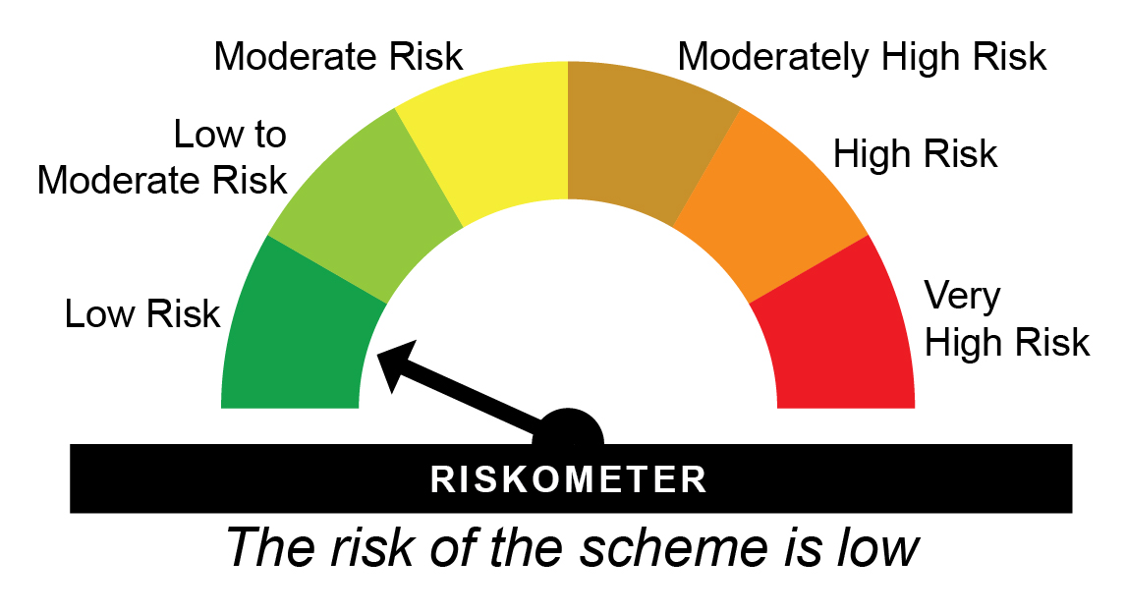
JUL1158D22 - HDFC FMP 1158D July 2022 (46) - Regular Plan - Growth |  |  |  |  |  | NAV as at May 30, 2025 |  | 12.1036 | Scheme Riskometer
Date | Period | NAV per Unit (₹) | Scheme Returns (%)^ | Benchmark Returns(%)# | Additional Benchmark Returns ##(%) | Value of Investment of ₹ 10000@
 |  |  |  |  |  | Scheme (₹) | Benchmark #(₹) | Additional Benchmark ##(₹)

May 31, 24 | Last 1 Year | 11.300 | 7.11 | 10.02 | 11.71 | 10,709 | 10,999 | 11,168
Jul 26, 22 | Since Inception | 10.000 | 6.94 | 8.06 | 9.41 | 12,104 | 12,468 | 12,916

JUL1158D22 - HDFC FMP 1158D July 2022 (46) - Direct Plan - Growth |  |  |  |  |  | NAV as at May 30, 2025 |  | 12.1976 | Benchmark Riskometer
Date | Period | NAV per Unit (₹) | Scheme Returns (%)^ | Benchmark Returns(%)# | Additional Benchmark Returns ##(%) | Value of Investment of ₹ 10000@
 |  |  |  |  |  | Scheme (₹) | Benchmark #(₹) | Additional Benchmark ##(₹)

May 31, 24 | Last 1 Year | 11.357 | 7.4 | 10.02 | 11.71 | 10,738 | 10,999 | 11,168
Jul 26, 22 | Since Inception | 10.000 | 7.23 | 8.06 | 9.41 | 12,198 | 12,468 | 12,916
^Past performance may or may not be sustained in future and is not a guarantee of any future returns. Returns greater than 1 year period are compounded annualized (CAGR). # NIFTY Medium Duration Debt Index ## CRISIL 10 year Gilt Index
Performance of FMP schemes, being close-ended in nature, is not strictly comparable with that of open-ended schemes since the investment strategy for FMP schemes is primarily buy-and-hold whereas open-ended schemes are actively managed.
Different plans viz. Regular Plan and Direct Plan have a different expense structure. The expenses of the Direct Plan under the Scheme will be lower to the extent of the distribution expenses / commission charged in the Regular Plan
The scheme is managed by Anupam Joshi (since August 31, 2024)
Since Inception Date = Date of First allotment in the Scheme / Plan.
Load is not taken into consideration for computation of performance.

AUG1406D22 - HDFC FMP 1406D August 2022 (46) - Regular Plan - Growth |  |  |  |  |  | NAV as at May 30, 2025 |  | 12.1379 | Scheme Riskometer
Date | Period | NAV per Unit (₹) | Scheme Returns (%)^ | Benchmark Returns(%)# | Additional Benchmark Returns ##(%) | Value of Investment of ₹ 10000@
 |  |  |  |  |  | Scheme (₹) | Benchmark #(₹) | Additional Benchmark ##(₹)

May 31, 24 | Last 1 Year | 11.205 | 8.32 | 10.02 | 11.71 | 10,830 | 10,999 | 11,168
Aug 25, 22 | Since Inception | 10.000 | 7.26 | 7.94 | 9.26 | 12,138 | 12,352 | 12,774

AUG1406D22 - HDFC FMP 1406D August 2022 (46) - Direct Plan - Growth |  |  |  |  |  | NAV as at May 30, 2025 |  | 12.2251 | Benchmark Riskometer
Date | Period | NAV per Unit (₹) | Scheme Returns (%)^ | Benchmark Returns(%)# | Additional Benchmark Returns ##(%) | Value of Investment of ₹ 10000@
 |  |  |  |  |  | Scheme (₹) | Benchmark #(₹) | Additional Benchmark ##(₹)

May 31, 24 | Last 1 Year | 11.257 | 8.6 | 10.02 | 11.71 | 10,858 | 10,999 | 11,168
Aug 25, 22 | Since Inception | 10.000 | 7.54 | 7.94 | 9.26 | 12,225 | 12,352 | 12,774
^Past performance may or may not be sustained in future and is not a guarantee of any future returns. Returns greater than 1 year period are compounded annualized (CAGR). # NIFTY Medium Duration Debt Index ## CRISIL 10 year Gilt Index
Performance of FMP schemes, being close-ended in nature, is not strictly comparable with that of open-ended schemes since the investment strategy for FMP schemes is primarily buy-and-hold whereas open-ended schemes are actively managed.
Different plans viz. Regular Plan and Direct Plan have a different expense structure. The expenses of the Direct Plan under the Scheme will be lower to the extent of the distribution expenses / commission charged in the Regular Plan
The scheme is managed by Anupam Joshi (since August 31, 2024)
Since Inception Date = Date of First allotment in the Scheme / Plan.
Load is not taken into consideration for computation of performance.

SEP1359D22 - HDFC FMP 1359D September 2022 (46) - Regular Plan - Growth |  |  |  |  |  | NAV as at May 30, 2025 |  | 12.169 | Scheme Riskometer
Date | Period | NAV per Unit (₹) | Scheme Returns (%)^ | Benchmark Returns(%)# | Additional Benchmark Returns ##(%) | Value of Investment of ₹ 10000@
 |  |  |  |  |  | Scheme (₹) | Benchmark #(₹) | Additional Benchmark ##(₹)

May 31, 24 | Last 1 Year | 11.252 | 8.15 | 10.02 | 11.71 | 10,813 | 10,999 | 11,168
Oct 11, 22 | Since Inception | 10.000 | 7.73 | 8.6 | 9.93 | 12,169 | 12,430 | 12,835

SEP1359D22 - HDFC FMP 1359D September 2022 (46) - Direct Plan - Growth |  |  |  |  |  | NAV as at May 30, 2025 |  | 12.2496 | Benchmark Riskometer
Date | Period | NAV per Unit (₹) | Scheme Returns (%)^ | Benchmark Returns(%)# | Additional Benchmark Returns ##(%) | Value of Investment of ₹ 10000@
 |  |  |  |  |  | Scheme (₹) | Benchmark #(₹) | Additional Benchmark ##(₹)

May 31, 24 | Last 1 Year | 11.298 | 8.42 | 10.02 | 11.71 | 10,840 | 10,999 | 11,168
Oct 11, 22 | Since Inception | 10.000 | 8 | 8.6 | 9.93 | 12,250 | 12,430 | 12,835
^Past performance may or may not be sustained in future and is not a guarantee of any future returns. Returns greater than 1 year period are compounded annualized (CAGR). # NIFTY Medium Duration Debt Index ## CRISIL 10 year Gilt Index
Performance of FMP schemes, being close-ended in nature, is not strictly comparable with that of open-ended schemes since the investment strategy for FMP schemes is primarily buy-and-hold whereas open-ended schemes are actively managed.
Different plans viz. Regular Plan and Direct Plan have a different expense structure. The expenses of the Direct Plan under the Scheme will be lower to the extent of the distribution expenses / commission charged in the Regular Plan
The scheme is managed by Anupam Joshi (since August 31, 2024)
Since Inception Date = Date of First allotment in the Scheme / Plan.
Load is not taken into consideration for computation of performance.

DEC1204D22 - HDFC FMP 1204D December 2022 (47) - Regular Plan - Growth |  |  |  |  |  | NAV as at May 30, 2025 |  | 11.8817 | Scheme Riskometer
Date | Period | NAV per Unit (₹) | Scheme Returns (%)^ | Benchmark Returns(%)# | Additional Benchmark Returns ##(%) | Value of Investment of ₹ 10000@
 |  |  |  |  |  | Scheme (₹) | Benchmark #(₹) | Additional Benchmark ##(₹)

May 31, 24 | Last 1 Year | 11.018 | 7.84 | 10.02 | 11.71 | 10,781 | 10,999 | 11,168
Dec 27, 22 | Since Inception | 10.000 | 7.37 | 8.36 | 9.74 | 11,882 | 12,148 | 12,529

DEC1204D22 - HDFC FMP 1204D December 2022 (47) - Direct Plan - Growth |  |  |  |  |  | NAV as at May 30, 2025 |  | 11.9537 | Benchmark Riskometer
Date | Period | NAV per Unit (₹) | Scheme Returns (%)^ | Benchmark Returns(%)# | Additional Benchmark Returns ##(%) | Value of Investment of ₹ 10000@
 |  |  |  |  |  | Scheme (₹) | Benchmark #(₹) | Additional Benchmark ##(₹)

May 31, 24 | Last 1 Year | 11.058 | 8.1 | 10.02 | 11.71 | 10,808 | 10,999 | 11,168
Dec 27, 22 | Since Inception | 10.000 | 7.64 | 8.36 | 9.74 | 11,954 | 12,148 | 12,529
^Past performance may or may not be sustained in future and is not a guarantee of any future returns. Returns greater than 1 year period are compounded annualized (CAGR). # NIFTY Medium Duration Debt Index ## CRISIL 10 year Gilt Index
Performance of FMP schemes, being close-ended in nature, is not strictly comparable with that of open-ended schemes since the investment strategy for FMP schemes is primarily buy-and-hold whereas open-ended schemes are actively managed.
Different plans viz. Regular Plan and Direct Plan have a different expense structure. The expenses of the Direct Plan under the Scheme will be lower to the extent of the distribution expenses / commission charged in the Regular Plan
The scheme is managed by Anupam Joshi (since August 31, 2024)
Since Inception Date = Date of First allotment in the Scheme / Plan.
Load is not taken into consideration for computation of performance.

FEB2638D23 - HDFC FMP 2638D February 2023 (47) - Regular Plan - Growth |  |  |  |  |  | NAV as at May 30, 2025 |  | 12.4968 | Scheme Riskometer
Date | Period | NAV per Unit (₹) | Scheme Returns (%)^ | Benchmark Returns(%)# | Additional Benchmark Returns ##(%) | Value of Investment of ₹ 10000@
 |  |  |  |  |  | Scheme (₹) | Benchmark #(₹) | Additional Benchmark ##(₹)

May 31, 24 | Last 1 Year | 11.135 | 12.23 | 10.87 | 11.71 | 11,220 | 11,084 | 11,168
Feb 23, 23 | Since Inception | 10.000 | 10.34 | 9.93 | 10.17 | 12,497 | 12,393 | 12,454

FEB2638D23 - HDFC FMP 2638D February 2023 (47) - Direct Plan - Growth |  |  |  |  |  | NAV as at May 30, 2025 |  | 12.5688 | Benchmark Riskometer
Date | Period | NAV per Unit (₹) | Scheme Returns (%)^ | Benchmark Returns(%)# | Additional Benchmark Returns ##(%) | Value of Investment of ₹ 10000@
 |  |  |  |  |  | Scheme (₹) | Benchmark #(₹) | Additional Benchmark ##(₹)

May 31, 24 | Last 1 Year | 11.171 | 12.51 | 10.87 | 11.71 | 11,248 | 11,084 | 11,168
Feb 23, 23 | Since Inception | 10.000 | 10.62 | 9.93 | 10.17 | 12,569 | 12,393 | 12,454
^Past performance may or may not be sustained in future and is not a guarantee of any future returns. Returns greater than 1 year period are compounded annualized (CAGR). # NIFTY Long Duration Debt Index ## CRISIL 10 year Gilt Index
Performance of FMP schemes, being close-ended in nature, is not strictly comparable with that of open-ended schemes since the investment strategy for FMP schemes is primarily buy-and-hold whereas open-ended schemes are actively managed.
Different plans viz. Regular Plan and Direct Plan have a different expense structure. The expenses of the Direct Plan under the Scheme will be lower to the extent of the distribution expenses / commission charged in the Regular Plan
The scheme is managed by Anupam Joshi (since August 31, 2024)
Since Inception Date = Date of First allotment in the Scheme / Plan.
Load is not taken into consideration for computation of performance.

MAR1269D23 - HDFC FMP 1269D March 2023 (47) - Regular Plan - Growth |  |  |  |  |  | NAV as at May 30, 2025 |  | 11.7785 | Scheme Riskometer
Date | Period | NAV per Unit (₹) | Scheme Returns (%)^ | Benchmark Returns(%)# | Additional Benchmark Returns ##(%) | Value of Investment of ₹ 10000@
 |  |  |  |  |  | Scheme (₹) | Benchmark #(₹) | Additional Benchmark ##(₹)

May 31, 24 | Last 1 Year | 10.838 | 8.68 | 10.02 | 11.71 | 10,866 | 10,999 | 11,168
Mar 21, 23 | Since Inception | 10.000 | 7.74 | 8.75 | 10.11 | 11,779 | 12,020 | 12,354

MAR1269D23 - HDFC FMP 1269D March 2023 (47) - Direct Plan - Growth |  |  |  |  |  | NAV as at May 30, 2025 |  | 11.8434 | Benchmark Riskometer
Date | Period | NAV per Unit (₹) | Scheme Returns (%)^ | Benchmark Returns(%)# | Additional Benchmark Returns ##(%) | Value of Investment of ₹ 10000@
 |  |  |  |  |  | Scheme (₹) | Benchmark #(₹) | Additional Benchmark ##(₹)

May 31, 24 | Last 1 Year | 10.870 | 8.95 | 10.02 | 11.71 | 10,893 | 10,999 | 11,168
Mar 21, 23 | Since Inception | 10.000 | 8.01 | 8.75 | 10.11 | 11,843 | 12,020 | 12,354
^Past performance may or may not be sustained in future and is not a guarantee of any future returns. Returns greater than 1 year period are compounded annualized (CAGR). # NIFTY Medium Duration Debt Index ## CRISIL 10 year Gilt Index
Performance of FMP schemes, being close-ended in nature, is not strictly comparable with that of open-ended schemes since the investment strategy for FMP schemes is primarily buy-and-hold whereas open-ended schemes are actively managed.
Different plans viz. Regular Plan and Direct Plan have a different expense structure. The expenses of the Direct Plan under the Scheme will be lower to the extent of the distribution expenses / commission charged in the Regular Plan
The scheme is managed by Anupam Joshi (since August 31, 2024)
Since Inception Date = Date of First allotment in the Scheme / Plan.
Load is not taken into consideration for computation of performance.

HDFCMC - HDFC Overnight Fund - Regular Plan - Growth |  |  |  |  |  | NAV as at May 31, 2025 |  | 3787.0522 | Scheme Riskometer
Date | Period | NAV per Unit (₹) | Scheme Returns (%)^ | Benchmark Returns(%)# | Additional Benchmark Returns ##(%) | Value of Investment of ₹ 10000@
 |  |  |  |  |  | Scheme (₹) | Benchmark #(₹) | Additional Benchmark ##(₹)

May 24, 25 | Last 7 days | 3,783.015 | 5.56 | 5.76 | 8.14 | 10,011 | 10,011 | 10,016
May 16, 25 | Last 15 days | 3,778.430 | 5.55 | 5.74 | 8.34 | 10,023 | 10,024 | 10,034
Apr 30, 25 | Last 1 Month | 3,769.168 | 5.59 | 5.76 | 8.89 | 10,047 | 10,049 | 10,075
May 31, 24 | Last 1 Year | 3,560.674 | 6.36 | 6.51 | 8 | 10,636 | 10,651 | 10,800
May 31, 22 | Last 3 Years | 3,155.014 | 6.27 | 6.45 | 7.11 | 12,003 | 12,065 | 12,290
May 31, 20 | Last 5 Years | 2,968.312 | 4.99 | 5.18 | 5.52 | 12,758 | 12,877 | 13,086
2015-05-31 | Last 10 Years | 2226.8100 | 5.45 | 5.61 | 6.36 | 17,007 | 17,266 | 18,541
2002-02-06 | Since Inception | 1000.0000 | 5.87 | NA | 6.04 | 37,871 | NA | 39,272

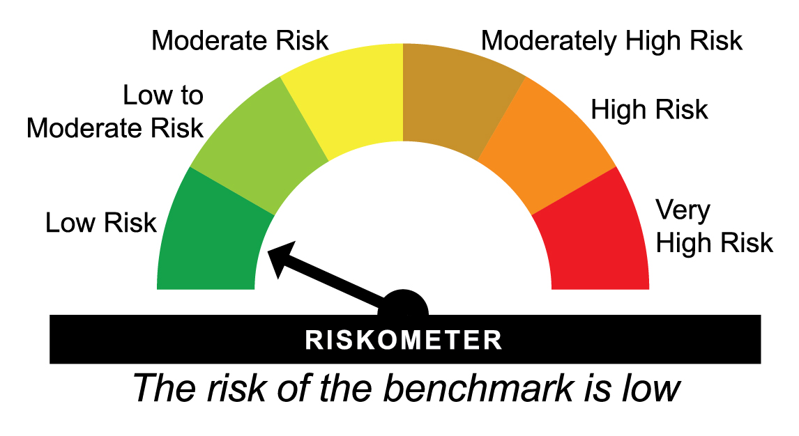
HDFCMC - HDFC Overnight Fund - Direct Plan - Growth |  |  |  |  |  | NAV as at May 31, 2025 |  | 3823.4788 | Benchmark Riskometer
Date | Period | NAV per Unit (₹) | Scheme Returns (%)^ | Benchmark Returns(%)# | Additional Benchmark Returns ##(%) | Value of Investment of ₹ 10000@
 |  |  |  |  |  | Scheme (₹) | Benchmark #(₹) | Additional Benchmark ##(₹)

May 24, 25 | Last 7 days | 3819.3515 | 5.63 | 5.76 | 8.14 | 10,011 | 10,011 | 10,016
May 16, 25 | Last 15 days | 3814.6638 | 5.62 | 5.74 | 8.34 | 10,023 | 10,024 | 10,034
Apr 30, 25 | Last 1 Month | 3805.196 | 5.66 | 5.76 | 8.89 | 10,048 | 10,049 | 10,075
May 31, 24 | Last 1 Year | 3591.943 | 6.45 | 6.51 | 8 | 10,645 | 10,651 | 10,800
May 31, 22 | Last 3 Years | 3177.1432 | 6.36 | 6.45 | 7.1 | 12,036 | 12,067 | 12,291
May 31, 20 | Last 5 Years | 2983.1512 | 5.09 | 5.18 | 5.52 | 12,817 | 12,877 | 13,086
May 31, 15 | Last 10 Years | 2229.54 | 5.54 | 5.61 | 6.36 | 17,149 | 17,266 | 18,541
Dec 31, 12 | Since Inception | 1844.46 | 6.04 | 6.13 | 6.57 | 20,730 | 20,939 | 22,044
^Past performance may or may not be sustained in future and is not a guarantee of any future returns. # CRISIL Liquid Overnight Index ## CRISIL 1 year T-Bill Index
Different plans viz. Regular Plan and Direct Plan have a different expense structure. The expenses of the Direct Plan under the Scheme will be lower to the extent of the distribution expenses / commission charged in the Regular Plan.
The scheme is managed by Swapnil Jangam (since March 01, 2025).
Since Inception Date = Date of First allotment in the Scheme / Plan.
Load is not taken into consideration for computation of performance.

HDFCLI - HDFC LIQUID FUND - Regular Plan - Growth |  |  |  |  |  | NAV as at May 31, 2025 |  | 5097.7366 | Scheme Riskometer
Date | Period | NAV per Unit (₹) | Scheme Returns (%)^ | Benchmark Returns(%)# | Additional Benchmark Returns ##(%) | Value of Investment of ₹ 10000@
 |  |  |  |  |  | Scheme (₹) | Benchmark #(₹) | Additional Benchmark ##(₹)

May 24, 25 | Last 7 days | 5,091.568 | 6.32 | 6.16 | 8.14 | 10,012 | 10,012 | 10,016
May 16, 25 | Last 15 days | 5,083.691 | 6.72 | 6.65 | 8.34 | 10,028 | 10,027 | 10,034
Apr 30, 25 | Last 1 Month | 5,069.899 | 6.46 | 6.42 | 8.89 | 10,055 | 10,054 | 10,075
May 31, 24 | Last 1 Year | 4,754.901 | 7.21 | 7.15 | 8 | 10,721 | 10,715 | 10,800
May 31, 22 | Last 3 Years | 4,176.219 | 6.87 | 6.92 | 7.11 | 12,207 | 12,227 | 12,290
May 31, 20 | Last 5 Years | 3,915.565 | 5.42 | 5.56 | 5.52 | 13,019 | 13,110 | 13,086
2015-05-31 | Last 10 Years | 2797.0800 | 6.18 | 6.22 | 6.36 | 18,225 | 18,298 | 18,541
2000-10-17 | Since Inception | 1000.0000 | 6.84 | NA | 6.30 | 50,977 | NA | 45,051

HDFCLI - HDFC LIQUID FUND - Direct Plan - Growth |  |  |  |  |  | NAV as at May 31, 2025 |  | 5152.6914 | Benchmark Riskometer
Date | Period | NAV per Unit (₹) | Scheme Returns (%)^ | Benchmark Returns(%)# | Additional Benchmark Returns ##(%) | Value of Investment of ₹ 10000@
 |  |  |  |  |  | Scheme (₹) | Benchmark #(₹) | Additional Benchmark ##(₹)

May 24, 25 | Last 7 days | 5,146.367 | 6.41 | 6.16 | 8.14 | 10,012 | 10,012 | 10,016
May 16, 25 | Last 15 days | 5,138.304 | 6.81 | 6.65 | 8.34 | 10,028 | 10,027 | 10,034
Apr 30, 25 | Last 1 Month | 5,124.162 | 6.56 | 6.42 | 8.89 | 10,056 | 10,054 | 10,075
May 31, 24 | Last 1 Year | 4,801.862 | 7.31 | 7.15 | 8 | 10,731 | 10,715 | 10,800
May 31, 22 | Last 3 Years | 4,210.061 | 6.96 | 6.92 | 7.11 | 12,239 | 12,227 | 12,290
May 31, 20 | Last 5 Years | 3,939.417 | 5.51 | 5.56 | 5.52 | 13,080 | 13,110 | 13,086
2015-05-31 | Last 10 Years | 2801.0400 | 6.28 | 6.22 | 6.36 | 18,396 | 18,298 | 18,541
2012-12-31 | Since Inception | 2265.1000 | 6.84 | 6.77 | 6.57 | 22,748 | 22,559 | 22,044
^Past performance may or may not be sustained in future and is not a guarantee of any future returns. # CRISIL Liquid Debt A-I Index ## CRISIL 1 year T-Bill Index
Different plans viz. Regular Plan and Direct Plan have a different expense structure. The expenses of the Direct Plan under the Scheme will be lower to the extent of the distribution expenses / commission charged in the Regular Plan.
The scheme is managed by Anupam Joshi (since October 27, 2015) & Swapnil Jangam (since October 6, 2022).
Since Inception Date = Date of First allotment in the Scheme / Plan.
Load is not taken into consideration for computation of performance.

HDFCMS - HDFC Money Market Fund - Regular Plan - Growth |  |  |  |  |  | NAV as at May 30, 2025 |  | 5694.5915 | Scheme Riskometer
Date | Period | NAV per Unit (₹) | Scheme Returns (%)^ | Benchmark Returns(%)# | Additional Benchmark Returns ##(%) | Value of Investment of ₹ 10000@
 |  |  |  |  |  | Scheme (₹) | Benchmark #(₹) | Additional Benchmark ##(₹)

May 31, 24 | Last 1 Year | 5,271.342 | 8.03 | 7.46 | 7.99 | 10,801 | 10,744 | 10,796
May 31, 22 | Last 3 Years | 4,606.387 | 7.32 | 7.18 | 7.11 | 12,362 | 12,312 | 12,288
May 29, 20 | Last 5 Years | 4,253.696 | 6 | 5.84 | 5.52 | 13,387 | 13,283 | 13,086
May 29, 15 | Last 10 Years | 2,958.690 | 6.76 | 6.59 | 6.36 | 19,247 | 18,949 | 18,546
Nov 18, 99 | Since Inception | 1,000.000 | 7.06 | 7.12 | 6.37 | 57,142 | 57,978 | 48,476

HDFCMS - HDFC Money Market Fund - Direct Plan - Growth |  |  |  |  |  | NAV as at May 30, 2025 |  | 5806.6169 | Benchmark Riskometer
Date | Period | NAV per Unit (₹) | Scheme Returns (%)^ | Benchmark Returns(%)# | Additional Benchmark Returns ##(%) | Value of Investment of ₹ 10000@
 |  |  |  |  |  | Scheme (₹) | Benchmark #(₹) | Additional Benchmark ##(₹)

May 31, 24 | Last 1 Year | 5,365.810 | 8.22 | 7.46 | 7.99 | 10,819 | 10,744 | 10,796
May 31, 22 | Last 3 Years | 4,672.356 | 7.51 | 7.18 | 7.11 | 12,428 | 12,312 | 12,288
May 29, 20 | Last 5 Years | 4,301.763 | 6.18 | 5.84 | 5.52 | 13,498 | 13,283 | 13,086
May 29, 15 | Last 10 Years | 2,962.690 | 6.95 | 6.59 | 6.36 | 19,599 | 18,949 | 18,546
Dec 31, 12 | Since Inception | 2,399.200 | 7.38 | 7.07 | 6.57 | 24,202 | 23,349 | 22,041
^Past performance may or may not be sustained in future and is not a guarantee of any future returns. Returns greater than 1 year period are compounded annualized (CAGR). # CRISIL Money Market A-I Index ## CRISIL 1 year T-Bill Index
$$ All Distributions declared prior to the splitting of the Scheme into IDCW & Growth Options are assumed to be reinvested in the units of the Scheme at the then prevailing NAV (ex-distribution NAV).
Different plans viz. Regular Plan and Direct Plan have a different expense structure. The expenses of the Direct Plan under the Scheme will be lower to the extent of the distribution expenses / commission charged in the Regular Plan
The scheme is managed by Praveen Jain (since August 31, 2024).
Since Inception Date = Date of First allotment in the Scheme / Plan.
Load is not taken into consideration for computation of performance.
NA: Not Available

HDFCIG - HDFC Low Duration Fund - Regular Plan - Growth |  |  |  |  |  | NAV as at May 30, 2025 |  | 57.5413 | Scheme Riskometer
Date | Period | NAV per Unit (₹) | Scheme Returns (%)^ | Benchmark Returns(%)# | Additional Benchmark Returns ##(%) | Value of Investment of ₹ 10000@
 |  |  |  |  |  | Scheme (₹) | Benchmark #(₹) | Additional Benchmark ##(₹)

May 31, 24 | Last 1 Year | 53.286 | 7.99 | 7.89 | 7.99 | 10,796 | 10,787 | 10,796
May 31, 22 | Last 3 Years | 46.822 | 7.11 | 7.22 | 7.11 | 12,289 | 12,328 | 12,288
May 29, 20 | Last 5 Years | 42.645 | 6.17 | 5.82 | 5.52 | 13,493 | 13,272 | 13,086
May 29, 15 | Last 10 Years | 29.857 | 6.77 | 6.76 | 6.36 | 19,273 | 19,252 | 18,546
Nov 18, 99 | Since Inception | 10.000 | 7.09 | NA | 6.37 | 57,541 | NA | 48,476

HDFCIG - HDFC Low Duration Fund - Direct Plan - Growth |  |  |  |  |  | NAV as at May 30, 2025 |  | 62.3731 | Benchmark Riskometer
Date | Period | NAV per Unit (₹) | Scheme Returns (%)^ | Benchmark Returns(%)# | Additional Benchmark Returns ##(%) | Value of Investment of ₹ 10000@
 |  |  |  |  |  | Scheme (₹) | Benchmark #(₹) | Additional Benchmark ##(₹)

May 31, 24 | Last 1 Year | 57.422 | 8.62 | 7.89 | 7.99 | 10,860 | 10,787 | 10,796
May 31, 22 | Last 3 Years | 49.848 | 7.76 | 7.22 | 7.11 | 12,513 | 12,328 | 12,288
May 29, 20 | Last 5 Years | 44.849 | 6.81 | 5.82 | 5.52 | 13,907 | 13,272 | 13,086
May 29, 15 | Last 10 Years | 30.364 | 7.46 | 6.76 | 6.36 | 20,542 | 19,252 | 18,546
Jan 01, 13 | Since Inception | 24.654 | 7.76 | 7.2 | 6.57 | 25,300 | 23,705 | 22,031
^Past performance may or may not be sustained in future and is not a guarantee of any future returns. Returns greater than 1 year period are compounded annualized (CAGR). # Nifty Low Duration Debt Index A-I ## CRISIL 1 year T-Bill Index
Different plans viz. Regular Plan and Direct Plan have a different expense structure. The expenses of the Direct Plan under the Scheme will be lower to the extent of the distribution expenses / commission charged in the Regular Plan.
The scheme is managed by Anupam Joshi (since October 27, 2015) & Praveen Jain (since October 6, 2022).
Since Inception Date = Date of First allotment in the Scheme / Plan.
Load is not taken into consideration for computation of performance.
NA: Not Available

